Error
https://support.microsoft.com/en-gb/topic/a-potentially-dangerous-macro-has-been-blocked-0952faa0-37e7-4316-b61d-5b5ed6024216

1. Right Click the downloaded questionnaire file and select Properties
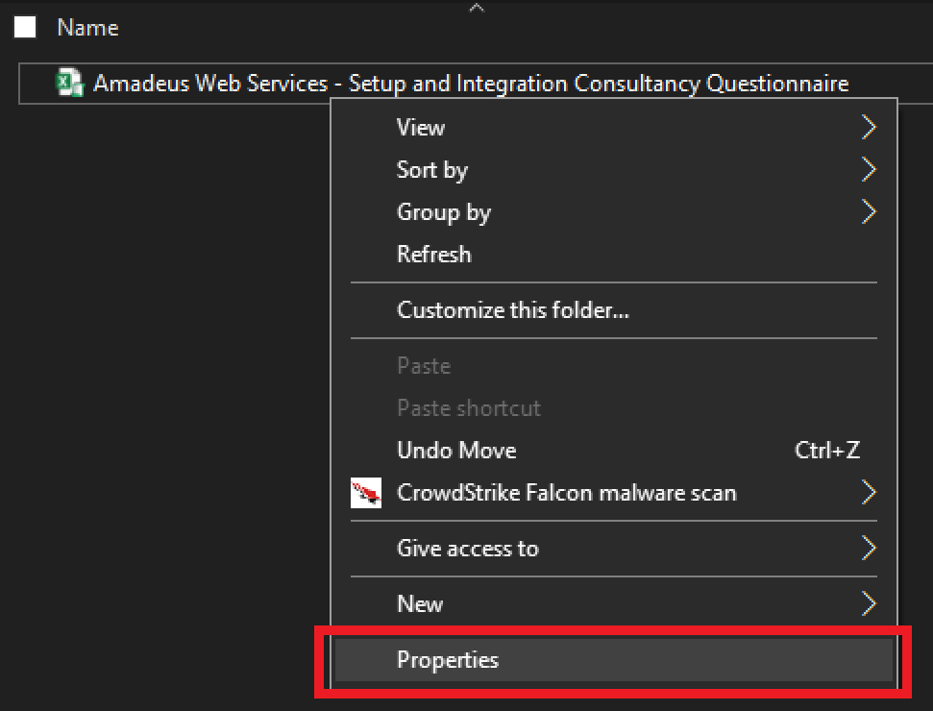

2. Click the unbox checkbox under the general tab, then "Apply" and "OK"
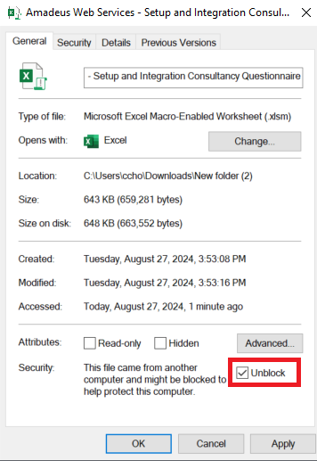

3. Once that's done, open the questionnaire, the error message should no longer be Present.

CheckBox Issue
How to Solve the CheckBox Issue

If you are facing issue with clicking the check box, please update your display setting to "Optimize for compatibility" as shown in the image below.

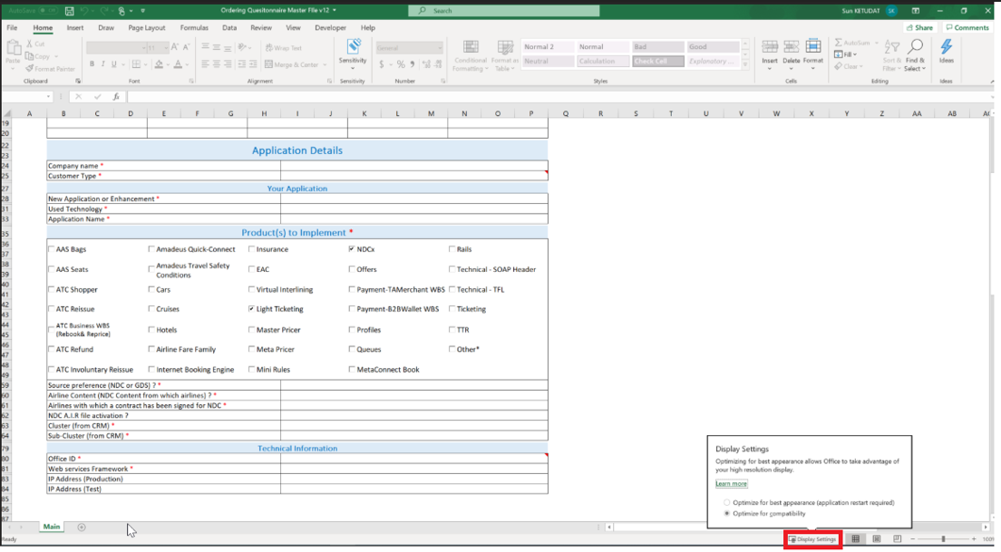

After restarting your excel, the issue should be solved.

In case you do not have the Display Settings button, this is also accessible through the Excel option (File --> Options):

